GL
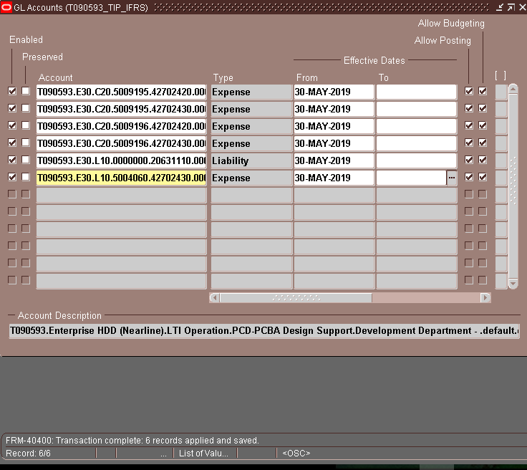

T090593 | E30 | C20 | 5009195 | 42702420 | 0000 | X2510 | PHL | 0000000 | 000000 | 0000 | T090593.E30.C20.5009195.42702420.0000.X2510.PHL.0000000.000000.0000
T090593 | E30 | C20 | 5009195 | 42702430 | 0000 | X2510 | PHL | 0000000 | 000000 | 0000 | T090593.E30.C20.5009195.42702430.0000.X2510.PHL.0000000.000000.0000
T090593 | E30 | C20 | 5009196 | 42702420 | 0000 | X2510 | PHL | 0000000 | 000000 | 0000 | T090593.E30.C20.5009196.42702420.0000.X2510.PHL.0000000.000000.0000
T090593 | E30 | C20 | 5009196 | 42702430 | 0000 | X2510 | PHL | 0000000 | 000000 | 0000 | T090593.E30.C20.5009196.42702430.0000.X2510.PHL.0000000.000000.0000
T090593 | E30 | L10 | 0000000 | 20631110 | 0000 | 00000 | PHL | 0000000 | 000000 | 0000 | T090593.E30.L10.0000000.20631110.0000.00000.PHL.0000000.000000.0000
T090593 | E30 | L10 | 5004060 | 42702430 | 0000 | X2510 | PHL | 0000000 | 000000 | 0000 | T090593.E30.L10.5004060.42702430.0000.X2510.PHL.0000000.000000.0000

